Current Software
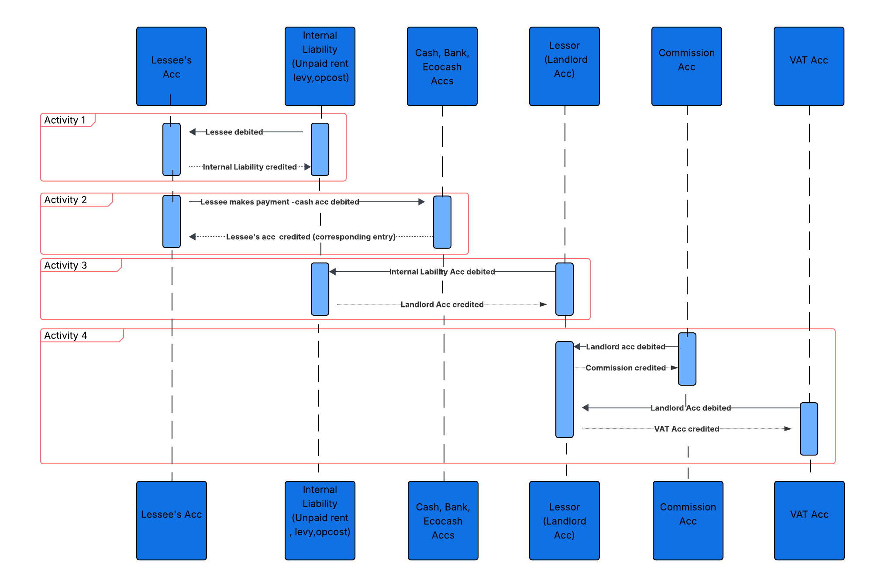
CURRENT SOFTWARE

Current Software detailed
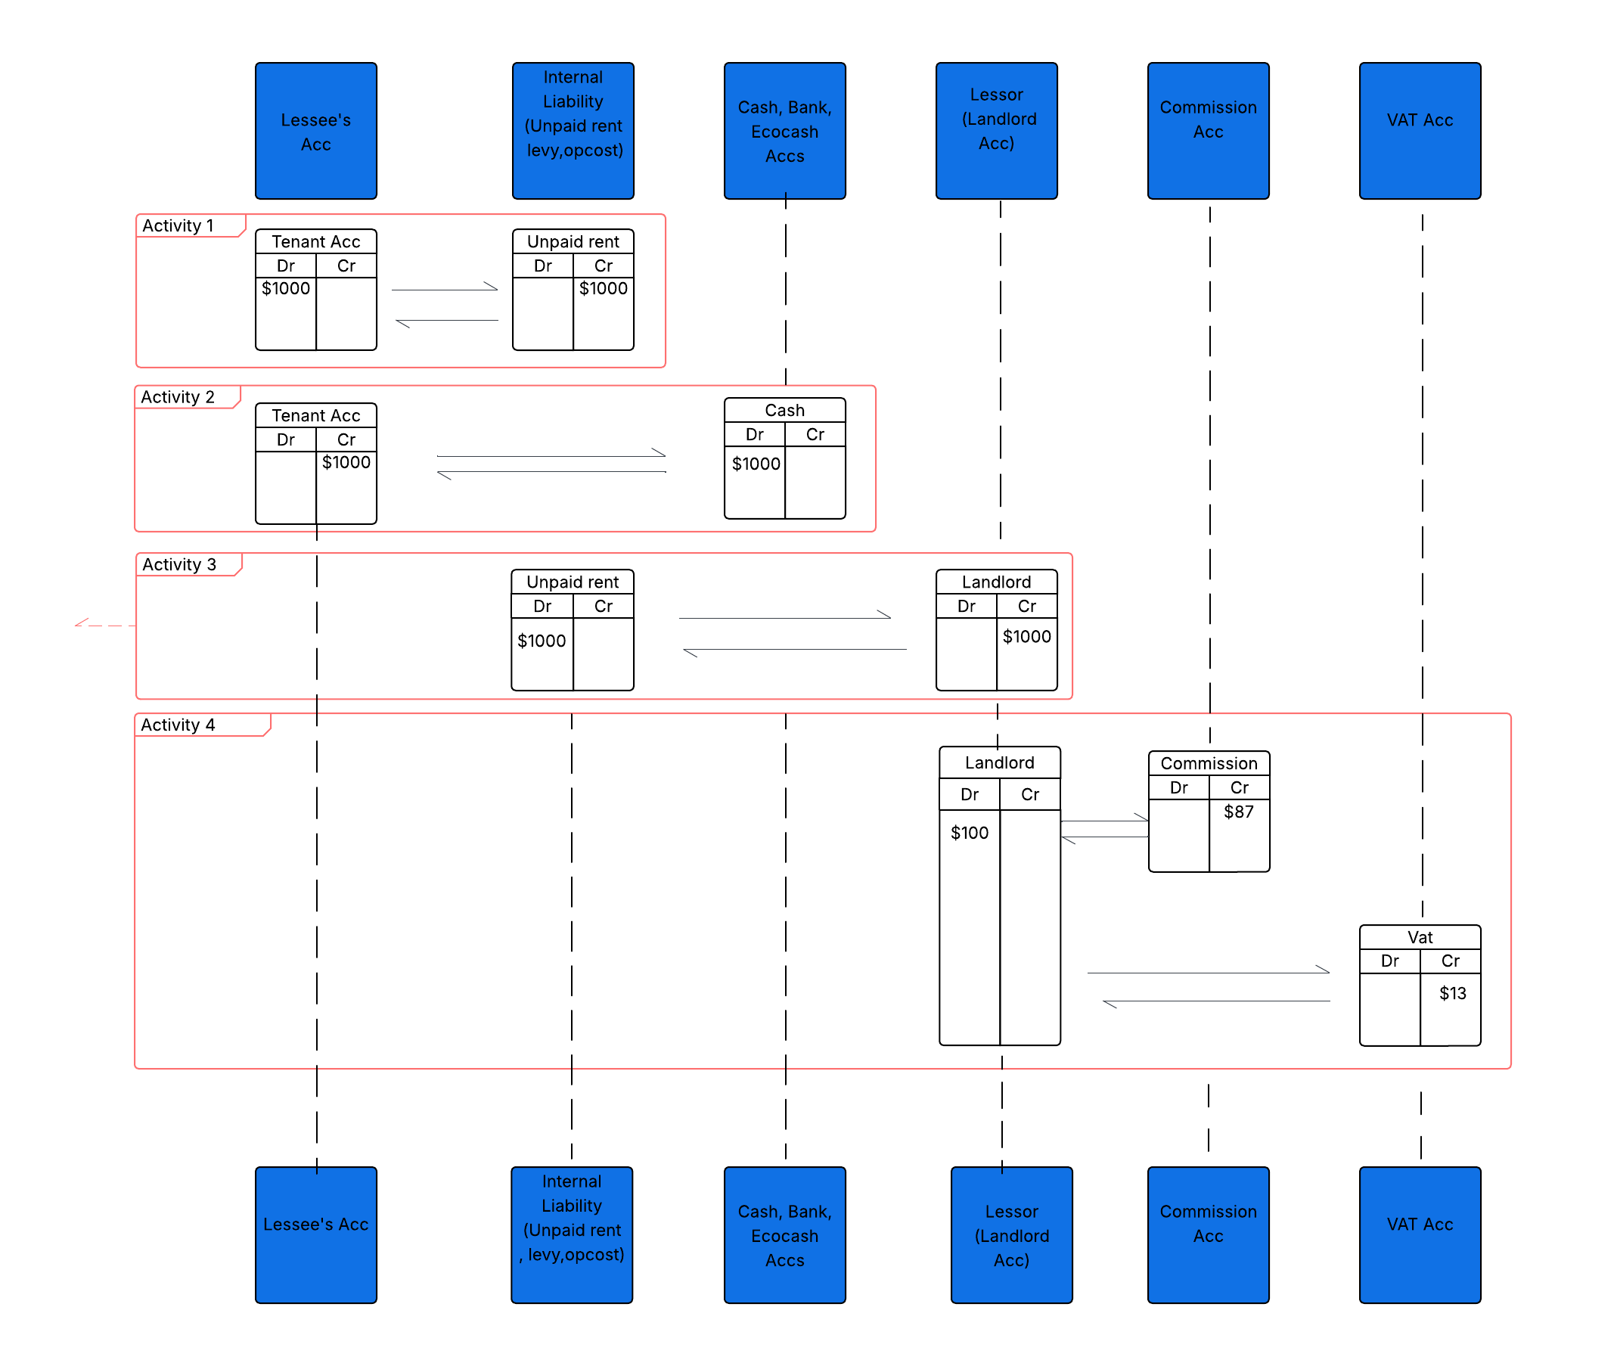
CURRENT SOFTWARE (DETAILED)

Proposed Architecture
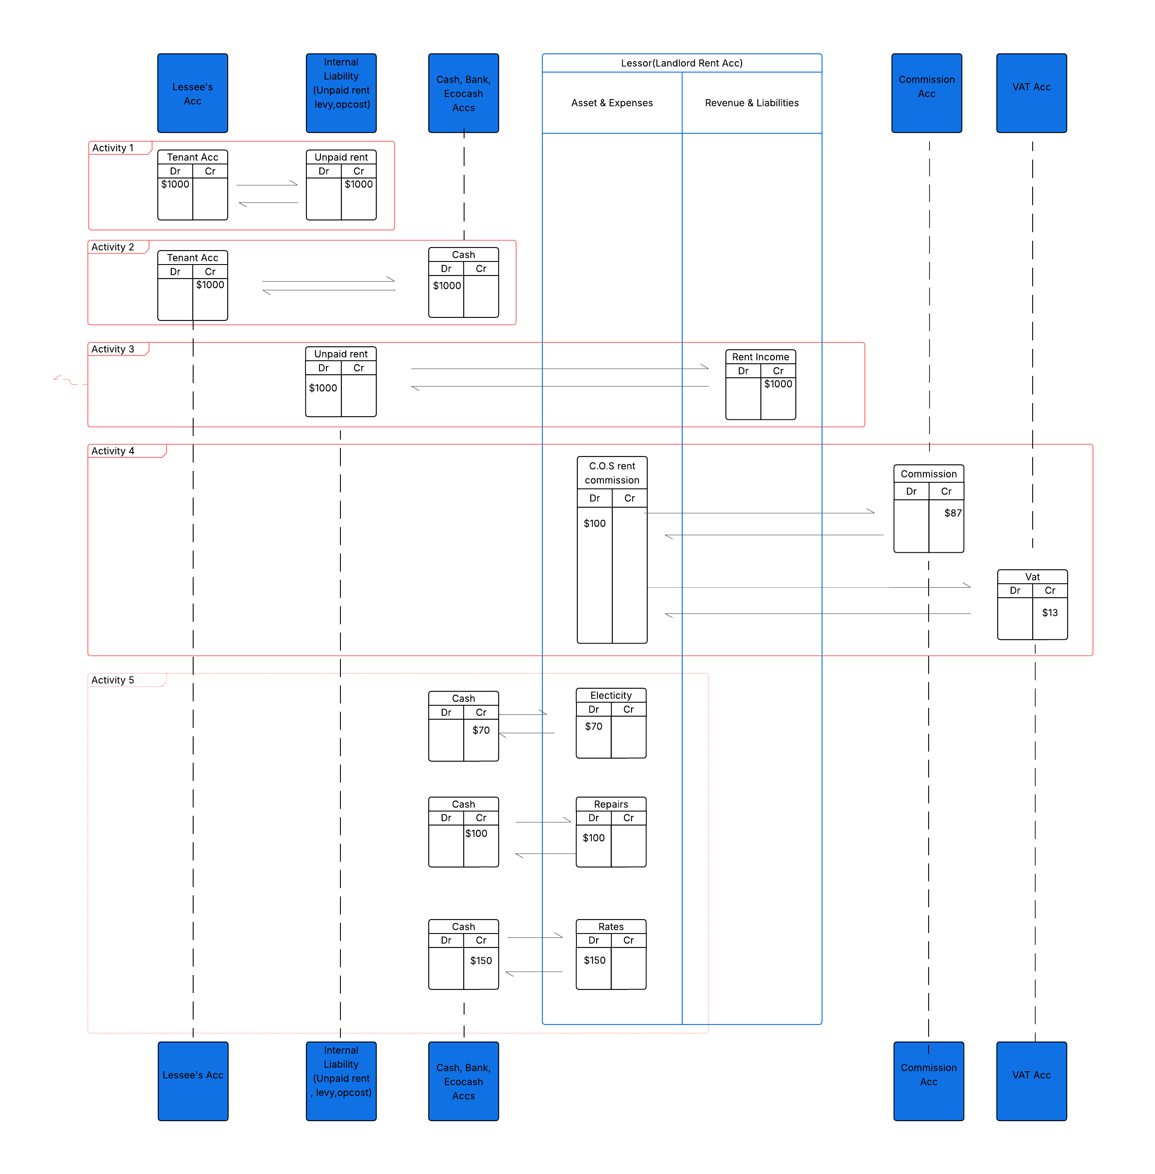
PROPOSED ARCHITECTURE

Notes | The current software lacks general ledger accounts. An expenditure is shown by the side the expenditure amount has been posted. Revenue is shown by the side the revenue amount has been posted.
 | The absence of general ledger accounts makes it impssible for the current software to generate Income and Exependiture report, making it unavoidable to create the Income and Expenditure report on an excel sheet.
 | On the excel sheet Income and Expenditure we created rows for expenses , for example Electricity, Repairs, and Rates as shown on the diagram. We do the same for revenue by creating a row for Rent Income.
 | The new software aims to solve this problem by introducing general ledger accounts where revenue and expenses are posted.
 | With this new approach, integration of the software with other softwares like Sage Pasteland Quickbooksfor generating customized financial reports becomes easy.
 | In summary,in the current software the recording of expenses is side base while in proposed software it's general ledger based.

 | The next sheet/tab Proposed Software rent is not different from this one. The only difference is the amount of rent paid by the tenant and the amounts of expenditure from the landord's account.

Proposed Software rent


Notes: | In the previous example the $1000 amount owed by the tenant was paid in full. However, not all scenarios do tenants pay their rentals in full. We have cases where tenant make part payments.
 | This is demonstrated in the sequence diagram above.

 | The sequence of transactions is the heart of the software. Let's now dive deeper into the sequence of transactions.

 | On activity 1 we have the creation of tenant/customer invoice, or tenant billing, or tenant rent charge generation, all depending on how one best defines it.
 | In the example on the diagram, the tenant has been billed/charged $1000 rent on the first day of the month.
 | The first transaction is a debit of $1000 to the Tenant acc followed by a credit of $1000 to Unpaid Rent acc

 | In basic scholarly accounting, the transaction would have been recorded as a debit of $1000 to the tenant account, followed by a credit entry of $1000 to the landlord's account.
 | In basic accounting, income is recorded even though the customer has not yet paid anything and that is why we have provisions for bad debts.

 | In real estate accounting, this basic accounting approach doesn't work since the landlord can come and claim their $1000 after having been informed that their account has been credited with $1000
 | As the managing agent, if we proceed to pay the landlord simply because their account has recorded an income of $1000 upon generation of tenant's invoice, we risk paying out cash which might never be recovered if the tenant fails to pay.
 | To deal with that problem, we make use of the Unpaid Rent Acc which stands in place of the landlord. This account is an artificial account representing all the landlords' accounts when payment has not been made by the tenant.
 | This artificial landlord account is sort of an artificial persona, acting on behalf of a real person, the landlord, until a payment is made.

 | Below is what the activity 1 transactions look like, tenant account being debited with the monthly rent charge and the Unpaid Rent account being credited with the amount that was supposed to credit the landlord's rent income account.

 | ACTIVITY 1-BILLING/INVOICING

 | TENANT ACC-ACTIVITY 1- TRANSACTION No. 1 |  |  |  | Statement

 |  |  |  |  | Tenant: Moyo B -14 Palm Heights
 |  |  |  |  | Account No:22055
 |  |  |  |  | Code:TN/22055
 |  |  |  |  | Lease ID- 25001
 |  |  |  |  | Account Currency:USD
 |  |  |  |  | Transaction Period:2026-02-01 - 2026-03-01

 |  |  |  |  | TRANSACTION ID | Date | Contra Acc | Ref | Description | Debit | Credit | Balance
 |  |  |  |  |  | 2026-02-01 |  |  | Balance brought forward |  |  | 0
 |  |  |  |  | 10011 | 2026-02-01 | 2300/010 | INV-226379 | Feb Rent Charge- Lease ID 25001 | 1000 |  | 1000

 |  |  |  |  |  |  |  |  |  | 1000 |  | 1000

 | UNPAID RENT ACC-ACTIVITY 1-TRANSACTION No. 2 |  |  |  | Statement

 |  |  |  |  | Account Name:Unpaid rent USD
 |  |  |  |  | Account Currency:USD
 |  |  |  |  | Transaction Period:2026-02-01 - 2026-02-01

 |  |  |  |  | TRANSACTION ID | Date | Contra Acc | Ref | Description | Debit | Credit | Balance
 |  |  |  |  |  | 2026-02-01 |  | Contra Acc | Balance brought forward |  |  | 78300
 |  |  |  |  | 10012 | 2026-02-01 | TN/22055 | INV-226379 | Feb Rent Charge- Lease ID 25001 |  | 1000 | 79300

Note: | Our real estate accounting approach is pure cash based. For as long as the tenant doesn't pay any amount to settle their rental invoice, we remain on activity 1.

 | ACTIVITY 2-RENT PAYMENT

 | Activity 2 is triggered when a tenant makes payment. In the above main diagram, the makes a part payment of $700. let's assume that this payment has been made on the 10 of the month, more than a week after the tenant billing was done.
 | This payment gives us another set of transactions, a debit of $700 to Cash acc followed by a credit of $700 to the tenants, account.

 | CASH ACC -ACTIVITY 2 TRANSACTION No.3 |  |  |  | Statement

 |  |  |  |  | Account Name:CASH USD
 |  |  |  |  | Account Currency:USD
 |  |  |  |  | Transaction Period:2026-02-10 - 2026-02-10

 |  |  |  |  | TRANSACTION ID | Date | Contra Acc | Ref | Description | Debit | Credit | Balance
 |  |  |  |  |  | 2026-02-10 |  |  | Balance brought forward |  |  | 69500
 |  |  |  |  | 10013 | 2026-02-10 | TN/22055 | RCT-314768 | Rent Payment-CASH USD-Moyo B-14 Palm Heights- Lease ID 25001 Ref-Moyo Brian-Feb rent | 700 |  | 70200
 |  |  |  |  |  |  |  |  |  | 700 | 0 | 70200

 | TENANT ACC-ACTIVITY 2 TRANSACTION No. 4 |  |  |  | Statement

 |  |  |  |  | Tenant: Moyo B 14 Palm Heights
 |  |  |  |  | Account No:22055
 |  |  |  |  | Code:TN/22055
 |  |  |  |  | Lease ID-25000
 |  |  |  |  | Account Currency:USD
 |  |  |  |  | Transaction Period:2026-02-01 - 2026-03-01

 |  |  |  |  | TRANSACTION ID | Date | Contra Acc | Ref | Description | Debit | Credit | Balance
 |  |  |  |  |  | 2026-02-01 |  |  | Balance brought forward |  |  | 0
 |  |  |  |  | 10011 | 2026-02-01 | 2300/010 | INV-226379 | Feb Rent Charge- Lease ID 25001 | 1000 |  | 1000
 |  |  |  |  | 10014 | 2026-02-10 | 4000/001 | RCT-314768 | Rent Payment-CASH USD-Moyo B-14 Palm Heights- Lease ID 25001 Ref-Moyo Brian-Feb rent |  | 700 | 0
 |  |  |  |  |  |  |  |  |  | 1000 | 700 | 300

 | ACTIVITY 3-RENT PAYMENT TRANSFER TO LANDLORD ACC

 |  | Now that the tenant has made a payment, activity 3 is triggered, as a predefined activity.
 |  | The $1000 that was credited to the Unpaid Rent (Artificial Landlord) is now lessened by $700 paid by the tenant. This transaction initiates a long awaited movement to the landlord account.
 |  | It is worth noting that the transfer to the landlord account is not always the entire amount in Unpaid Rent (artificial landlord) acc, but the actual amount that was paid, hence the transfer (Transaction ID10015) of $700 as paid.
 |  | In the previous tab/sheet (Proposed Architecture) , the whole $1000 was transferred, the reason being that the tenant had settled his rent arrears in full.

 | UNPAID RENT ACC-ACTIVITY 3-TRANSACTION No. 5 |  |  |  | Statement

 |  |  |  |  | Account Name:Unpaid rent USD
 |  |  |  |  | Account Currency:USD
 |  |  |  |  | Transaction Period:2026-02-01 - 2026-02-01

 |  |  |  |  | TRANSCATION ID | Date | Contra Acc | Ref | Description | Debit | Credit | Balance
 |  |  |  |  |  | 2026-02-01 |  |  | Balance brought forward |  |  | 78300
 |  |  |  |  | 10012 | 2026-02-01 | TN/22055 | INV-226379 | Feb Rent Charge- Lease ID 25001 |  | 1000 | 79300
 |  |  |  |  | 10015 | 2026-02-10 | LD/3000 | RCT-314768 | Rent Payment-CASH USD-Moyo B-14 Palm Heights- Lease ID 25001 Ref-Moyo Brian-Feb rent | 700
 |  |  |  |  |  |  |  |  |  | 700 | 1000 | 78600

 | LANDLORD ACC -ACTIVITY 3-TRANSACTION No. 6 |  |  |  | Statement

 |  |  |  |  | Landlord: Dube Kennedy 14 Palm Heights
 |  |  |  |  | Category: RENT
 |  |  |  |  | Account No. :3000
 |  |  |  |  | Code:LD/3000
 |  |  |  |  | Account Currency:USD
 |  |  |  |  | Transaction Period:2026-02-01 - 2026-02-28

 |  |  |  |  | TRANSACTION ID | Date | Conta Acc | Ref | Description | Debit | Credit | Balance
 |  |  |  |  |  | 2026-02-10 |  |  | Balance brought forward |  |  | 120
 |  |  |  |  | 10016 | 2026-02-10 | 1000/010 | RCT-314768 | Rent Payment-CASH USD-Moyo B-14 Palm Heights- Lease ID 25001 Ref-Moyo Brian-Feb rent |  | 700 | 920
 |  |  |  |  |  |  |  |  |  | 70 | 700 | 920

 | ACTIVITY 4 | Commission Allocation
 |  | The current software caluclates Net commisson first, then adds VAT on top of the Net Commission to finally come up with the Gross Commission amount.
 |  | The major drawback of this approach is that it often results in round-off error, either slightly overstating the Gross Commission or undestating the Gross Commission due to rounding-off the net commission percantage to 2 s.f
 |  | In the new approach, the net commission percantage will be rounded off to 4 significant figures to achieve high accuracy.

 |  | The agreement made between the landlord and the managing agent is that commission of 10% inclusive of 15% VAT is to be deducted from all rent payments as management commission.
 |  | We can now make comparisons between the old approach calculations and new approach calculations based on the example of $700 payment by Moyo B in the current example.

 |  |  |  |  |  |  |  |  | Approach | Rent payment ($) | Net Commission 10 decimals | Net Commission % to 2 S.F | Net Commission ($) | VAT (15%) | Gross Commission ($)
 |  |  |  |  |  |  |  |  | Old Approach with a 3 decimal float on net commission percentage | 700 | 8.6956521739 | 0.087 | 60.90 | 9.14 | 70.04
 |  |  |  |  |  |  |  |  | New Approach based on 5 decimal float on net commission percentage | 700 | 8.6956521739 | 0.08696 | 60.87 | 9.13 | 70.00

 |  | In the master-file configuration, the percentage of net commission will be rounded of to 4 significant figures to give accurate results.
 |  | We can now look at how the Commission Acc and VAT Charge Acc look like in our new software

 | COMMISSION ACC-ACTIVITY 4-TRANSACTION NO. 7 COMMISSION ALLOCATION |  |  |  | Statement

 |  |  |  |  | Account Name:Commission USD
 |  |  |  |  | Account Currency:USD
 |  |  |  |  | Transaction Period:2026-02-10 - 2026-02-10

 |  |  |  |  | TRANSACTION ID | Date | Contra Acc |  | Description | Debit | Credit | Balance
 |  |  |  |  |  | 2026-02-10 |  |  | Balance brought forward |  |  | 7500
 |  |  |  |  | 10017 | 2026-02-10 | LD/3000 | CMA-301652 | Rent Commission-CASH USD-Moyo B-14 Palm Heights- Lease ID 25001 Ref-Moyo Brian-Feb rent |  | 60.87 | 7560.87
 |  |  |  |  |  |  |  |  |  | 0 | 60.87 | 7560.87

 | VAT ACC-ACTIVITY 4-TRANSACTION No. 8 COMMISSION ALLOCATION |  |  |  | Statement

 |  |  |  |  | Account Name:Company VAT
 |  |  |  |  | Category: Liabilty K
 |  |  |  |  | CODE- 30045
 |  |  |  |  | Account Currency:USD
 |  |  |  |  | Transaction Period:2026-02-10 - 2026-02-10

 |  |  |  |  | TRANSACTION ID | Date | Conta Acc | Ref | Description | Debit | Credit | Balance
 |  |  |  |  |  | 2026-02-10 |  |  | Balance brought forward |  |  | 978
 |  |  |  |  | 10018 | 2026-02-10 | LD/3000 | CMA-301652 | VAT-Rent Commission-CASH USD-Moyo B-14 Palm Heights- Lease ID 25001 Ref-Moyo Brian-Feb rent |  | 9.13 | 987
 |  |  |  |  |  |  |  |  |  | 0 | 9.13 | 987.13

 | LANDLORD ACC -ACTIVITY 4-TRANSACTION No. 9 COMMISSION ALLOCATION |  |  |  | Statement

 |  |  |  |  | Landlord: Dube Kennedy 14 Palm Heights
 |  |  |  |  | Category: RENT
 |  |  |  |  | Account No. :3000
 |  |  |  |  | Code:LD/3000
 |  |  |  |  | Account Currency:USD
 |  |  |  |  | Transaction Period:2026-02-01 - 2026-02-28

 |  |  |  |  | TRANSACTION ID | Date | Acc | Ref | Description | Debit | Credit | Balance
 |  |  |  |  |  |  |  |  | Balance brought forward |  |  | 120
 |  |  |  |  | 10016 | 2026-02-10 | 1000/010 | RCT-314768 | Rent Payment-CASH USD-Moyo B-14 Palm Heights- Lease ID 25001 Ref-Moyo Brian-Feb rent |  | 700 | 920
 |  |  |  |  | 10019 | 2026-02-09 | 2000/010 | CMA-301652 | Rent Commission-CASH USD-Moyo B-14 Palm Heights- Lease ID 25001 Ref-Moyo Brian-Feb rent | 70 |  | 850
 |  |  |  |  |  |  |  |  |  | 70 | 700 | 850

 |  |  |  |  |  | ACTIVITY SUMMARY
 |  |  |  |  |  | ACTIVITY 1 | Billing/Invoicing
 |  |  |  |  |  | ACTIVITY 2 | Receipting
 |  |  |  |  |  | ACTIVITY 3 | Transfer of income to landlord acc
 |  |  |  |  |  | ACTIVITY 4 | Commission calculation and allocation
 |  |  |  |  |  | ACTIVITY 5 | Posting of expenses

Notes
1 | It is worth noting that the Net Commission calculation comes first, followed by VAT on Net comission and finally the Gross Rent Commission which would be debited to the landlord acc expenses side under Rent Commission Acc.
 | Net commission comes in with transaction ID 10017, followed by VAT with transaction ID 10018 and finally the Gross Commission (Commission+VAT) with transaction ID 10019

2 | We have a total of 7 automated transactions for a receipt. In the above example, the receipt of $700 starts with transaction ID10013 and lastly transaction ID 10019, that are recorded instantly without a perceptible delay, in the blink of an eye.
 | Automation engine plays an important role in recording these 7 transactions from Activity 2 to 4.
 | Activity 2 triggers automation up until activity 4

3 | Activity 5 is posting of expenses to their general ledger accounts. This is done by the one responsible for posting expenditure items.

4 | The last part of a transaction , highlighted in orange after the word Ref, is the description written by the cashier upon receipting.
 | Looking at transaction 10013 Rent Payment-CASH USD-Moyo B-14 Palm Heights- Lease ID 25001 Ref-Moyo Brian-Feb rent , the part in orange is what the cashier has added in her transaction description field while posting a receipt.
 | The first part of the description in blue is what the system generates as a description. It is the system's default description that cannot be altered.

 | CHART OF ACCOUNTS

 | Account Category | Account Name | Code USD | Code ZWG | Accessed by
 | INCOME
 | Revenue | Rent Income USD | 1000/010 | 1000/510 | Landlords, Tenants & Acc Holders
 | Revenue | Levy Income USD | 1000/020 | 1000/520 | Landlords, Tenants & Acc Holders
 | Revenue | Parking Income USD | 1000/030 | 1000/530 | Landlords, Tenants & Acc Holders
 | Revenue | Maintenance Income USD | 1000/040 | 1000/540 | Landlords, Tenants & Acc Holders
 | Revenue | Special Levy Income USD | 1000/050 | 1000/550 | Landlords, Tenants & Acc Holders
 | Revenue | Rates Income USD | 1000/060 | 1000/560 | Landlords, Tenants & Acc Holders
 | Revenue | Deposit Income USD | 1000/070 | 1000/570 | Landlords, Tenants & Acc Holders
 | Revenue | VAT Income USD | 1000/080 | 1000/580 | Landlords, Tenants & Acc Holders

 | Other Income |  | 1100/001 | 1100/501 | Landlords, Tenants & Acc Holders

 | EXPENSES
 | Operating Expenses | Routine Maintenance | 2000/001 | 2000/501 | Landlords only
 | Operating Expenses | General Repairs | 2000/002 | 2000/502 | Landlords only
 | Operating Expenses | Utilities | 2000/003 | 2000/503 | Landlords only
 | Operating Expenses | Salaries & Wages | 2000/004 | 2000/504 | Landlords only
 | Operating Expenses | Electricity | 2000/005 | 2000/505 | Landlords only
 | Operating Expenses | Rates | 2000/006 | 2000/506 | Landlords only
 | Operating Expenses | Refuse collection | 2000/007 | 2000/507 | Landlords only
 | Operating Expenses | Capital Improvements | 2000/008 | 2000/508 | Landlords only
 | Operating Expenses | Payroll Expenses | 2000/009 | 2000/509 | Landlords only
 | Operating Expenses | Rent Commission Expense | 2000/010 | 2000/510 | Landlords only
 | Operating Expenses | Security Fees | 2000/011 | 2000/511 | Landlords only
 | Operating Expenses | Levy Commission Expense | 2000/020 | 2000/520 | Landlords only
 | Operating Expenses | Parking Commission Expense | 2000/030 | 2000/530 | Landlords only
 | Operating Expenses | Maintenance Commission Expense | 2000/040 | 2000/540 | Landlords only
 | Operating Expenses | Special Levy Commission Expense | 2000/050 | 2000/550 | Landlords only
 | Operating Expenses | Rates Commission Expense | 2000/060 | 2000/560 | Landlords only
 |  |  |  |  | Landlords only

 | Other Expenses | Insurance | 2100/001 | 2100/501 | Landlords only
 | Other Expenses | Legal & Professional fees | 2100/002 | 2100/502 | Landlords only
 |  |  |  |  | Landlords only
 | Finance Charges | Bank Charges | 2200/001 | 2200/501 | Landlords only

 | Billing/Invoicing Expenses | Rent Charge | 2300/010 | 2300/510 | Tenants only
 | Billing/Invoicing Expenses | Levy Charge | 2300/020 | 2300/520 | Acc Holders only
 | Billing/Invoicing Expenses | Parking Charge | 2300/030 | 2300/530 | Tenants & Acc Holders
 | Billing/Invoicing Expenses | Maintenance Charge | 2300/040 | 2300/540 | Tenants & Acc Holders
 | Billing/Invoicing Expenses | Special Levy Charge | 2300/050 | 2300/550 | Acc Holders only
 | Billing/Invoicing Expenses | Rates Charge | 2300/060 | 2300/560 | Tenants & Acc Holders
 | Billing/Invoicing Expenses | VAT Charge | 2300/070 | 2300/570 | Tenants only
 | Billing/Invoicing Expenses | Late payment interest charge | 2300/080 | 2300/580 | Tenants & Acc Holders

 | BALANCE SHEET
 | Fixed Assets | Land | 3000/001 | 3000/501 | Landlords only
 | Fixed Assets | Buildings | 3000/002 | 3000/502 | Landlords only
 | Fixed Assets | Motor Vehicles | 3000/003 | 3000/503 | Landlords only
 | Fixed Assets | Office Furniture | 3000/004 | 3000/504 | Landlords only
 | Fixed Assets | Computer Equipment | 3000/005 | 3000/505 | Landlords only

 | Current Assets | Cash USD | 4000/001 | 4000/501 | Landlords, Tenants & Acc Holders
 | Current Assets | FBC Bank USD | 4000/002 | 4000/502 | Landlords, Tenants & Acc Holders
 | Current Assets | ZB Bank USD | 4000/003 | 4000/503 | Landlords, Tenants & Acc Holders
 | Current Assets | Ecocash USD | 4000/004 | 4000/504 | Landlords, Tenants & Acc Holders

 | Equity | Owner's Equity | 5000/010 | 5000/510 | Landlords only
 | Equity | Retained Income | 5000/020 | 5000/520 | Landlords only

 | Current Liabilities | Unpaid Rent USD | 6000/010 | 6000/510 | Landlords only
 | Current Liabilities | Unpaid Levy USD | 6000/020 | 6000/520 | Landlords only
 | Current Liabilities | Unpaid Parking USD | 6000/030 | 6000/530 | Landlords only
 | Current Liabilities | Unpaid Special Levy USD | 6000/040 | 6000/540 | Landlords only
 | Current Liabilities | Unpaid Maintenance USD | 6000/050 | 6000/550 | Landlords only
 | Current Liabilities | Unpaid Rates USD | 6000/060 | 6000/560 | Landlords only
 | Current Liabilities | Unpaid VAT USD | 6000/070 | 6000/570 | Landlords only

 | Other Current Liabilities | Short-Term Loan | 6100/010 | 6100/510 | Landlords only

 | Long-term Liabilities | Mortgage | 7000/010 | 7000/510 | Landlords only

 | SUBSIDIARY LEDGERS/NON GENERAL LEDGER ACCOUNTS

 | Customer Ledger | Tenant | TN/000001 | TN500000 | Rentals management module only
 | Holder Ledger | Account Holder | AC/000001 | AC500000 | Levies management module only

 | Owner Ledger | Landlord | LD/000001 | LD500000 | All modules

Proposed Software Levies
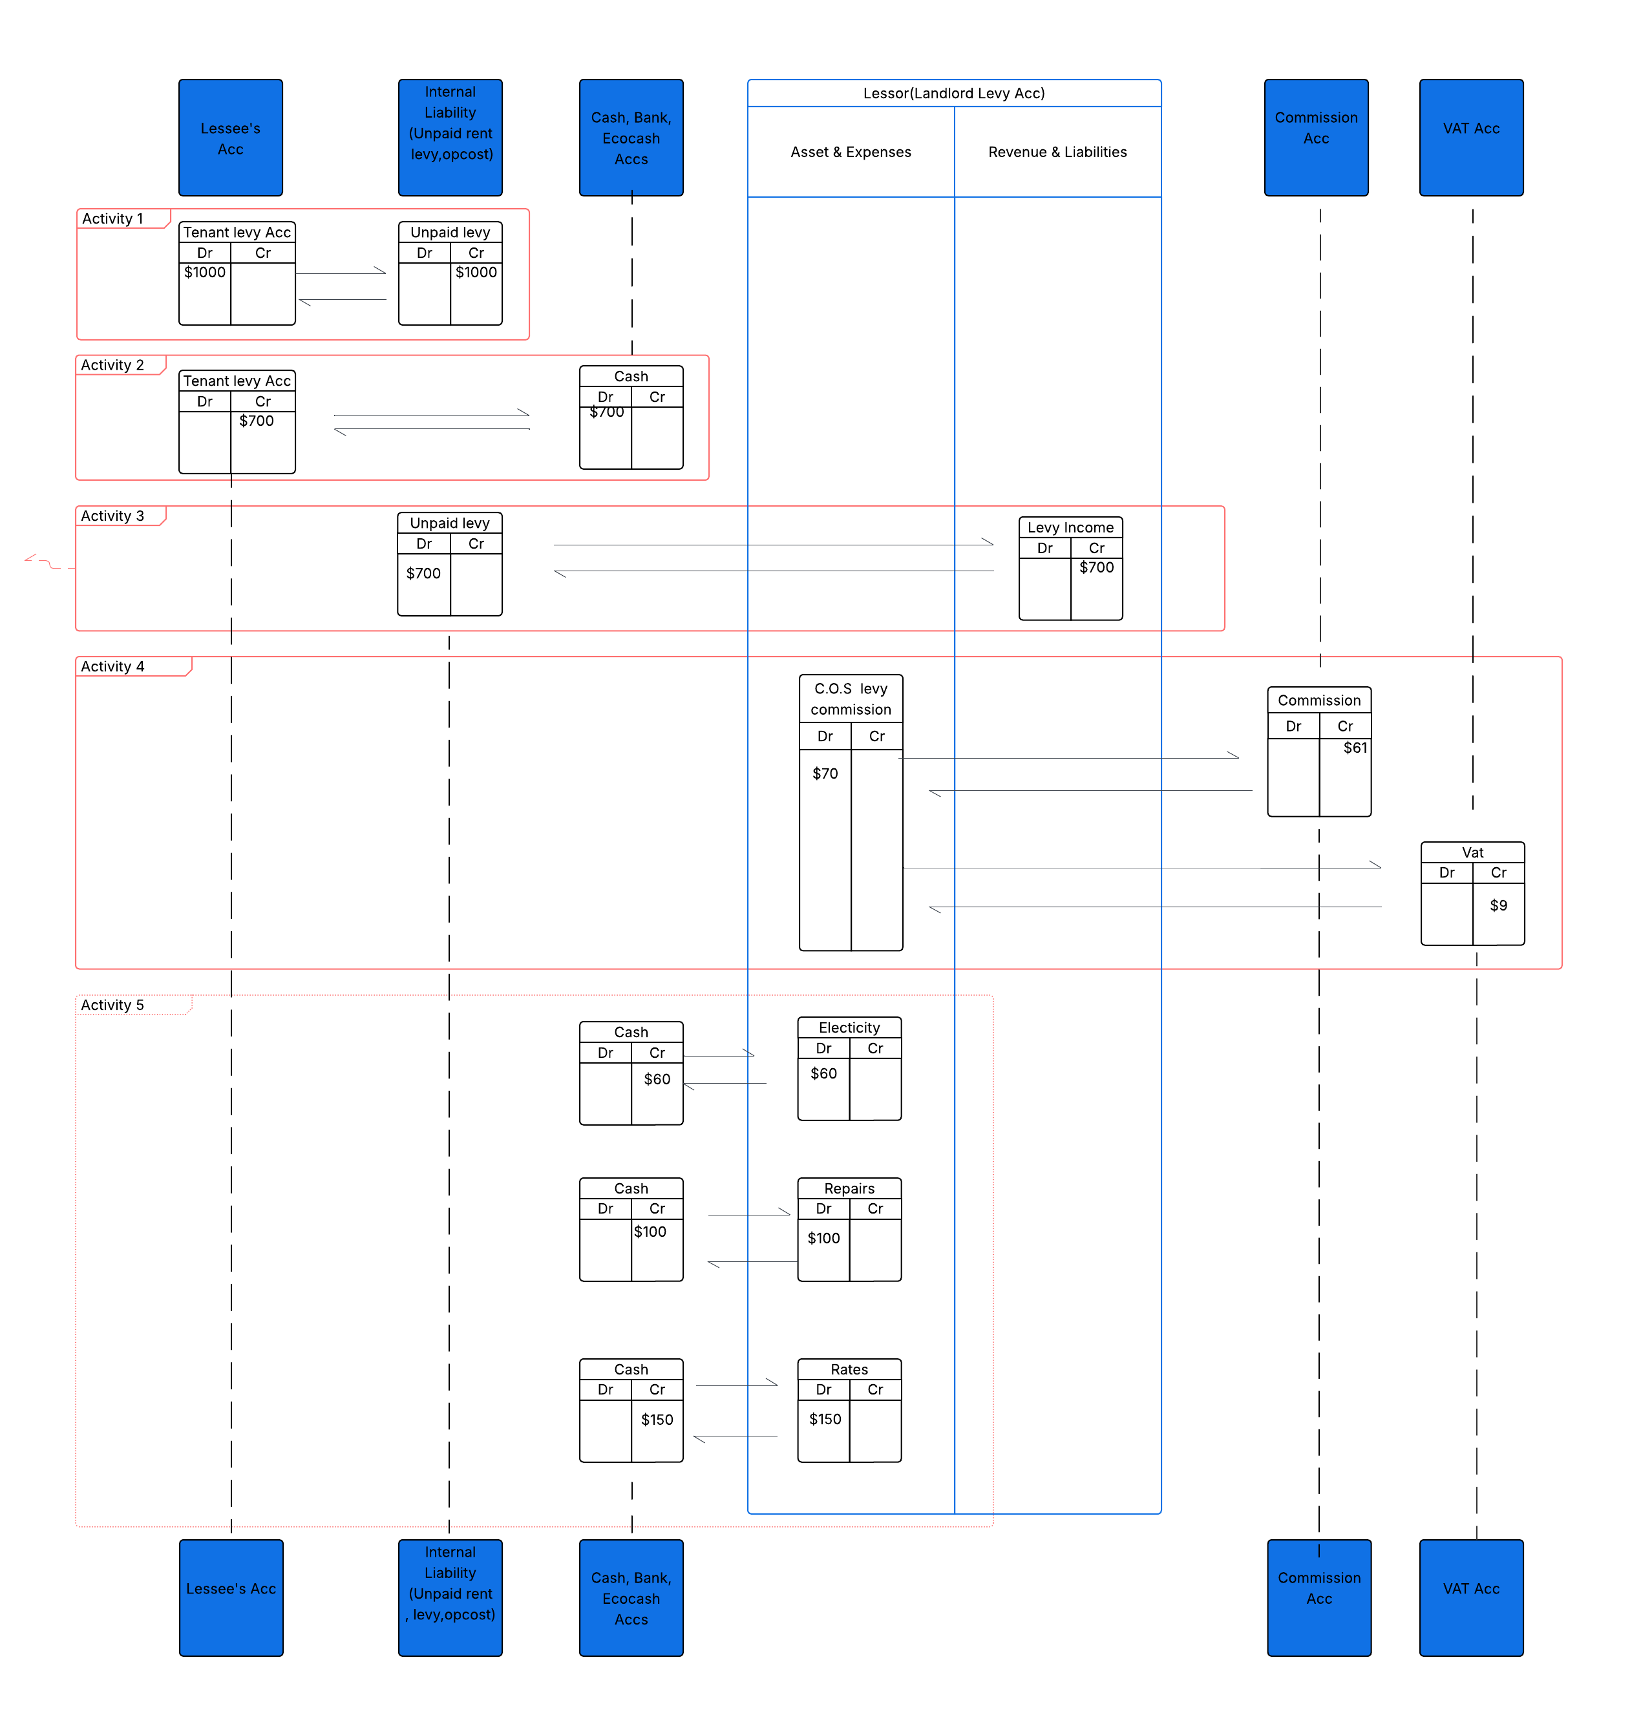
OUNT HOLDER LEVY ACC

ACCOUNT HOLDER LEVY ACC

Notes | Kindly note that on activity 1 Tenant Levy Acc I have inserted a text box written Account Holder Levy Acc. Going back to edit it in diagramming software requires redoing the whole diagram, since the free version used could not store the work for long.

 | Tenant Levy Account is thereby renamed to Account Holder Levy Account

